1 - quantity_age
First Registrations of used Passenger Cars in Poland, 2025 - 2026 PZPM based on data from Centralna Ewidencja Pojazdow

 | Jan | Feb | Mar | Apr | May | Jun | Jul | Aug | Sep | Oct | Nov | Dec | Total
2025 | 69,287 | 69,649 | 77,652 | 79,122 | 72,653 | 69,240 | 78,330 | 66,914 | 73,773 | 77,057 | 59,809 | 64,074 | 857,560
2026 | 57,747 | 62,265 | 76,448 | 71,813 | 66,808 |  |  |  |  |  |  |  | 335,081
%change y/y | -16.7% | -10.6% | -1.6% | -9.2% | -8.0% |  |  |  |  |  |  |  | -9.0%
First Registrations of Used PC in Poland 2025 - 2026
 | 2025 | 2026
Jan | 69287 | 57747
Feb | 69649 | 62265
Mar | 77652 | 76448
Apr | 79122 | 71813
May | 72653 | 66808
Jun | 69240
Jul | 78330
Aug | 66914
Sep | 73773
Oct | 77057
Nov | 59809
Dec | 64074
 |  |  |  |  |  |  |  |  | Age Structure Jan-May 2026
 |  |  |  |  |  |  |  |  |  | Number of vehicles | Share %
 |  |  |  |  |  |  |  |  | <=4 years | 34,528 | 10.3%
 |  |  |  |  |  |  |  |  | >4 years & <=10 years | 113,259 | 33.8%
 |  |  |  |  |  |  |  |  | >10 years | 187,294 | 55.9%
 |  |  |  |  |  |  |  |  | Total | 335,081 | 100.0%
First Registrations of Used Vehicles in year 2026 - age structure

source: PZPM based on CEP

2 - EURO_fuel
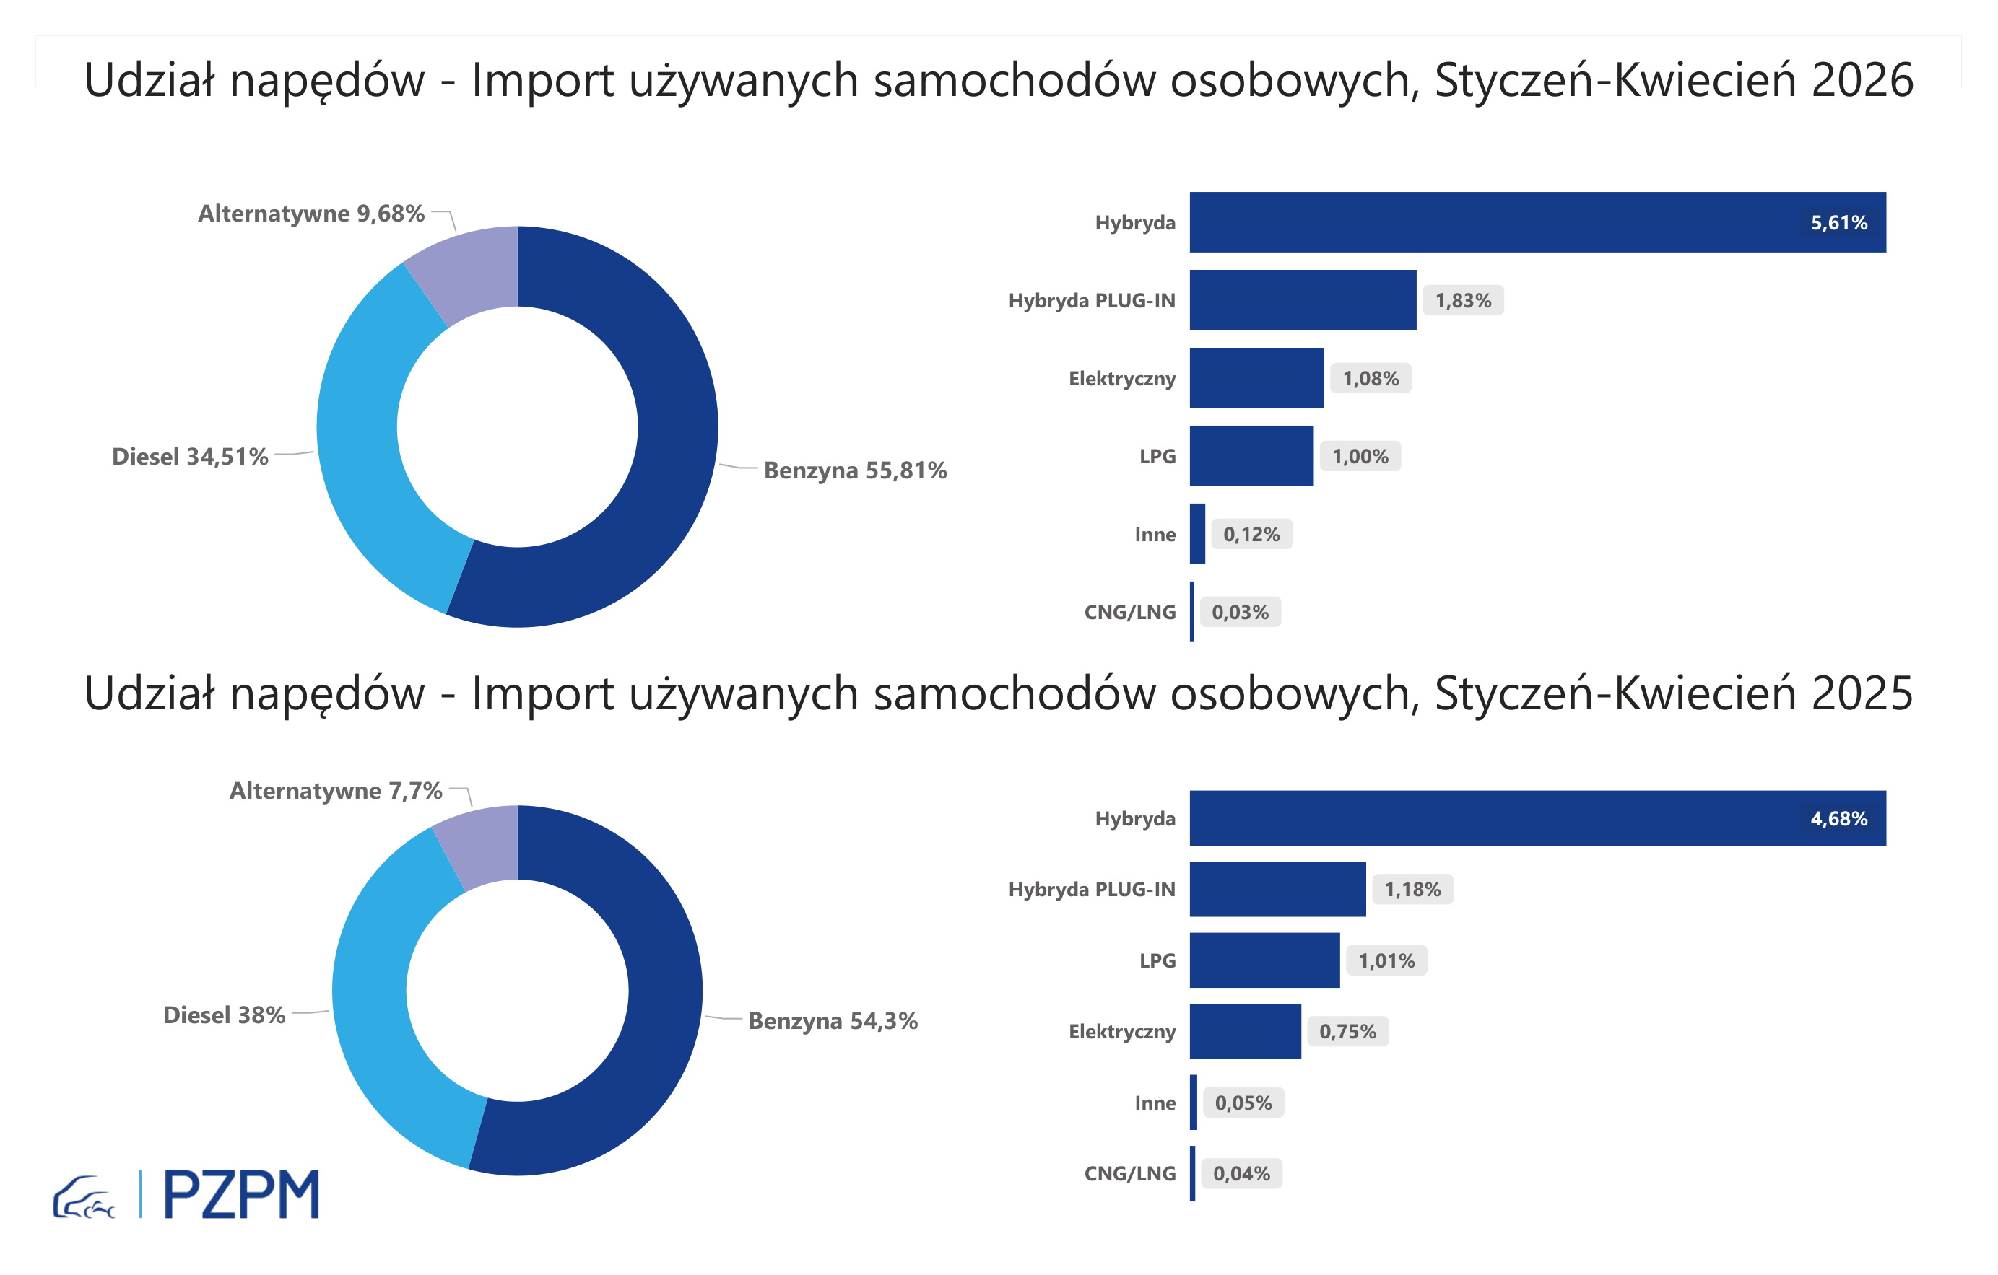

First Registrations of Used Passenger Cars by Fuel Type
Fuel Type | January-May 2025 |  | January-May 2026 |  | Volume Change y/y | Market Share Change y/y
 | thousand units | share % | thousand units | share %
Petrol | 200,3 | 54.4% | 187,2 | 55.9% | -6.5% | +1,5 pp
Diesel | 139,6 | 37.9% | 115,2 | 34.4% | -17.5% | -3,5 pp
AFV / Others | 28,5 | 7.7% | 32,7 | 9.8% | 14.7% | +2,0 pp
including:
Electric | 2.7 | 0.7% | 3.7 | 1.1% | 38.4% | +0,4 pp
Hybrid | 17.3 | 4.7% | 18.9 | 5.6% | 9.1% | +0,9 pp
Hybrid Plug-In | 4.5 | 1.2% | 6.2 | 1.9% | 39.6% | +0,6 pp
LPG | 3.7 | 1.0% | 3.2 | 1.0% | -12.8% | +0,0 pp
CNG/LNG | 0.1 | 0.0% | 0.1 | 0.0% | -23.1% | +0,0 pp
Others / N.A. | 0.2 | 0.0% | 0.5 | 0.1% | 180.4% | +0,1 pp

3 - TOP_brands
First registrations - used passenger cars imported to Poland - TOP 10 in 2026
First registrations of used passenger cars in Poland*
No.** | Make | January-May 2025 | January-May 2026 | Change % r/r
1 | VOLKSWAGEN | 35,127 | 30,872 | -12.1%
2 | FORD | 34,447 | 30,818 | -10.5%
3 | OPEL | 32,362 | 29,058 | -10.2%
4 | AUDI | 27,506 | 23,857 | -13.3%
5 | BMW | 23,033 | 20,794 | -9.7%
6 | MERCEDES-BENZ | 18,642 | 18,113 | -2.8%
7 | HYUNDAI | 17,230 | 16,912 | -1.8%
8 | PEUGEOT | 18,030 | 16,395 | -9.1%
9 | RENAULT | 16,092 | 14,462 | -10.1%
10 | KIA | 13,216 | 12,577 | -4.8%
* source: PZPM based on CEP
** based on registrations in 2026

